ALU
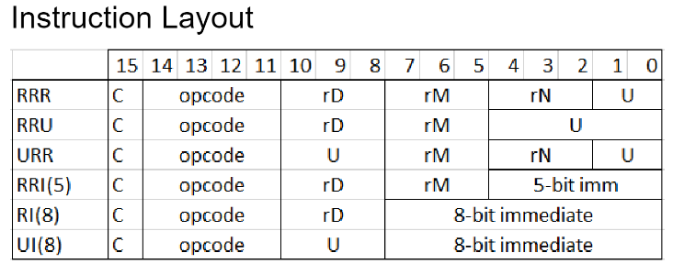
ALU_Opcode | Operation
0000 | Add
0001 | Sub
0010 | Not
0011 | And
0100 | Or
0101 | Xor
0110 | LSL
0111 | LSR
1000 | CMP
1001 | B
1010 | BEQ
1011 | Imm
1100 | LDR
1101 | STR

